Sheet1
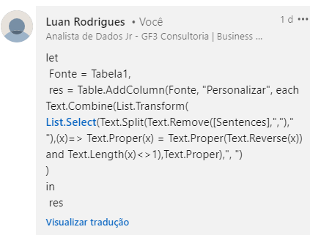
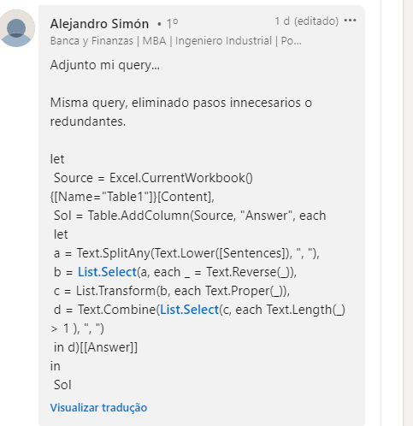
Sentences | Answer Expected
Madam made a kayak journey in a racecar | Madam, Kayak, Racecar
A Santa at NASA saw a radar and met Otto | Radar, Otto
Evil is a name of the fool
No lemon, no melon, and no deed is denied | Deed
Tenet, level, and civic cars race, drawing an arc | Tenet, Level, Civic
Anna, Hannah, and rotator know | Anna, Hannah, Rotator
Too hot in the noon and he suffers from aibohphobia | Noon, Aibohphobia
Nod when you see me and kayak to hut | Kayak
Red roses run, no spur of the moment, Hannah said wow | Hannah, Wow

Uma palavra palíndroma é aquela que é a mesma mesmo quando lida ao contrário. Por ex. - Bob Encontre todas as palavras do Palíndromo em frases dadas.

